1. Title Page
Grocery Basket Analysis

Instacart Grocery Basket Analysis
June 2022
Adam Busenbark

Contents:
Population Flow
Consistency checks
Wrangling steps
Column derivations
Visualizations
Recommendations

Source: “The Instacart Online Grocery Shopping Dataset 2017”, Accessed from https://www.instacart.com/datasets/grocery-shopping-2017 on 6/3/2022

2. Population Flow
Title page

Population flow

Exclusion flag
Condition: max_order < 5
Obervations to be removed: 1,440,295
Final total count of data_4_10: 30,964,564

Orders_products_combined
Orders_products_merged
data_4_10

Total: 32,404,859
Total: 32,434,489
Total: 30,964,564

3. Consistency checks
 |  |  |  | Title page
Consistency checks

Dataset | Missing values | Missing values treatment | Duplicates
orders | 206,209 missing values from "days since prior order" | These correspond to the first order place by a new customer. Created flag in the data set to indicate which rows represent a users first order. | N/A
products | 16 missing product names | removed from data set | 5 duplicates, removed
orders_products_prior | N/A | N/A | N/A
customers | N/A | N/A | N/A

4. Wrangling steps
 |  |  |  | Title page
Wrangling steps

Columns dropped | Columns renamed | Columns' type changed | Comment/Reason
orders: eval_set |  |  | Column did not contain any information
 | orders: order_dow |  | changed to orders_day_of_week for consistency
 |  | orders: order_id | changed from integer to string
 |  | orders: user_id | changed from integer to string
 | customers: Surnam
 | customers: n_dependants |  | changed to num_of_dependants
 | customers data frame |  | changed all column names to lower case for consistency
 |  | customers: first_name | changed to string due to mixed data types

5. Column derivations
 |  |  |  | Title page

Column derivations and aggregations

Dataset | New column | Column/s it was derived from | Conditions
all columns listed are in final data set | first_order | days_since_prior_order | if days since prior order is null = True, otherwise false
 | price_range | prices | if prices <= 5: Low Range Product if prices >5 and <=15: Mid Range Product if price >15: high range product
 | busiest_day | orders_day_of_week | If orders_day_of_week=0: busiest day If orders_day_of_week=4: least busy Otherwise, regularly busy
 | busiest_days | orders_day_of_week | If orders_day_of_week=0, 1: busiest days If orders_day_of_week=3, 4: least busy Otherwise, regularly busy
 | busiest_period_of_day | order_hour_of_days | if order_hour_of day between 10-15: most orders if order_hour of day between 0-5: fewest orders otherwise: average orders
 | max_order | user_id, order_number | lists the total number of orders placed by that user id
 | loyalty_flag | max_order | if max_order >40: loyal customer if max_order <=10: new customer otherwise: regular customer
 | average_price | user_id, prices | lists the average order price by that user id
 | spending_flag | average_price | if average_price <10: low spender if average_price >=10: High Spender
 | days_since_median | user_id, days_since_prior_order | lists the median value of the days since prior order column for each order that a user places
 | frequency_flag | days_since_median | if days since median >20: Non frequent customer if days since median <= 10: frequent customer if days since median >10 & <= 20: regular customer
 | region | state | classifies a region (midwest, west, south, northeast) for each user based on their state
 | exclusion_flag | max_order | if max_order <5: low activity if max_order >=5: normal activity
 | age_profile | age | if age >=18 & <=29: young if age >=30 & <=49: middle age if age >=50: old
 | income_profile | income | if income <40000: Low earner if income >=40000 & <125000: moderate earner if income >=125000 and <=250000: high earner if income >=250000: very high earner
 | parent_flag | num_of_dependants | if num of dependants =0: non parent, otherwise parent
 | order_profile | department_id | orders with dept id 5 = Drinker orders with dept id 8 = Pet Owner orders with dept id 12 = Meat Eater orders with dept id 18 = Parents w/ New Baby
 | customer_profile | age_profile, income_profile, parent_profile | combines the results of the three columns in to one

6. Visualizations
Title page

Visualisations

Key Question 1: The sales team needs to know what the busiest days of the week and hours of the day
are (i.e., the days and times with the most orders) in order to schedule ads at times
when there are fewer orders.
Analysis: The busiest days of the week are Saturday and Sunday. The busiest hours of the day are from 9 AM to 4 PM.

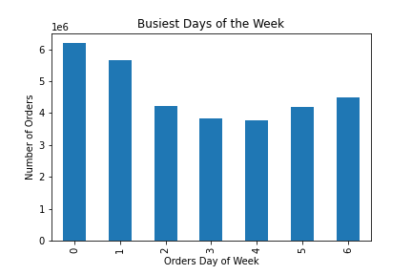
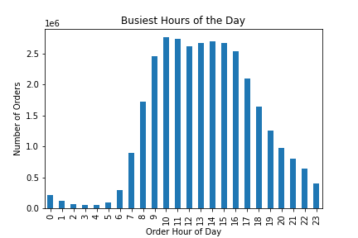

Key Question 2: They also want to know whether there are particular times of the day when people spend
the most money, as this might inform the type of products they advertise at these times.
Analysis: The time of day with the highest priced orders is roughly 4-5 AM

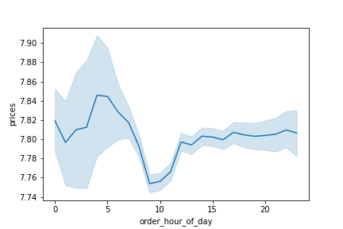

Key Question 3: Instacart has a lot of products with different price tags. Marketing and sales want to use
simpler price range groupings to help direct their efforts.
Analysis: The majority of products sold are under 15 dollars. The highest amount of products sold are in the "mid range" tier.

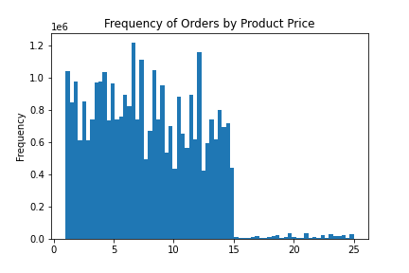
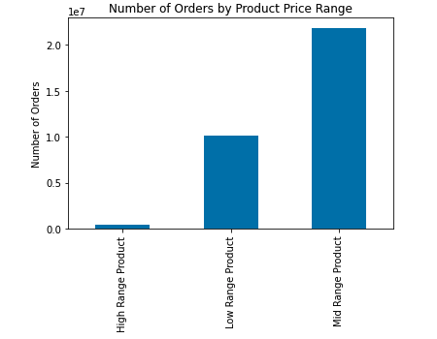

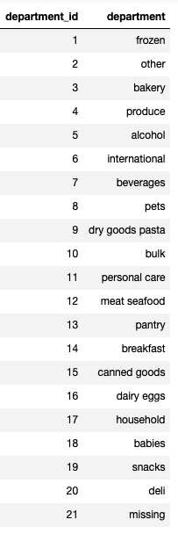
Key Question 4: Are there certain types of products that are more popular than others? The marketing
and sales teams want to know which departments have the highest frequency of product
orders.
Analysis: The most popular category is household follow by dairy/eggs.

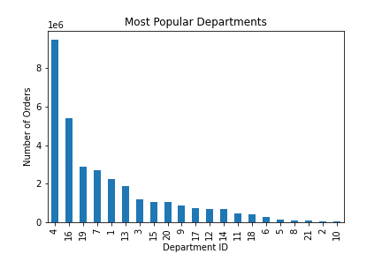

Key Question 5A: What’s the distribution among users in regards to their brand loyalty (i.e., how
often do they return to Instacart)?
Analysis: The majority of users are just regular customers, not new or loyal.

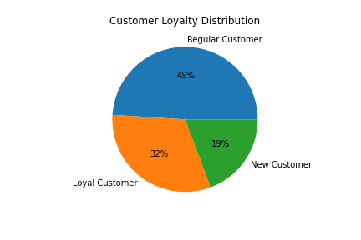

Key Question 5B: Are there differences in ordering habits based on a customer’s loyalty status?
Analysis: There is no a signifigant difference in the price of orders when looking by loyalty status, however there is a difference in the frequency of orders. Nearly 100% of loyal customers are also frequent customers. The greatest instance of non-frequent customers is among new customers.

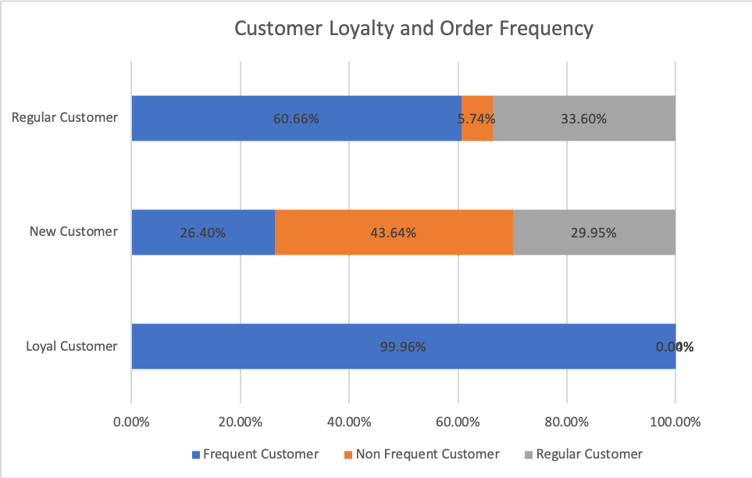
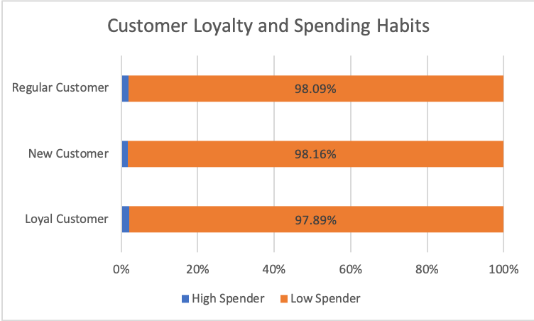

Key Question 5C: Are there differences in ordering habits based on a customer’s region?
Analysis: Similar to when reviewing customer loyalty, a customers spending habits do not change based on the region they are in. Unlike customer loyalty however, region does not have an effect on the frequency bucket a customer falls in to.

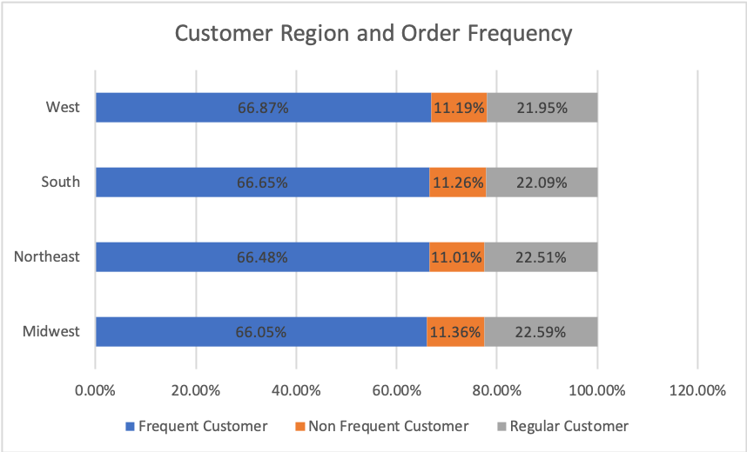
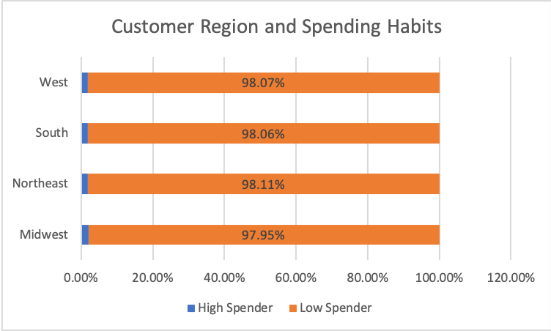

Key Question 5D: Is there a connection between age and family status in terms of ordering habits?
Analysis: Once again neither age nor family status have a bearing on customer spending profile or their order frequency profile.

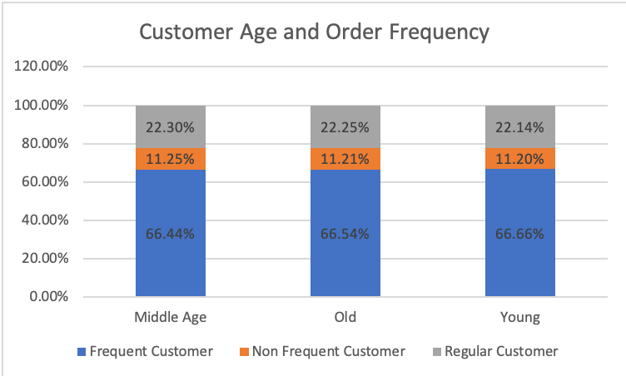
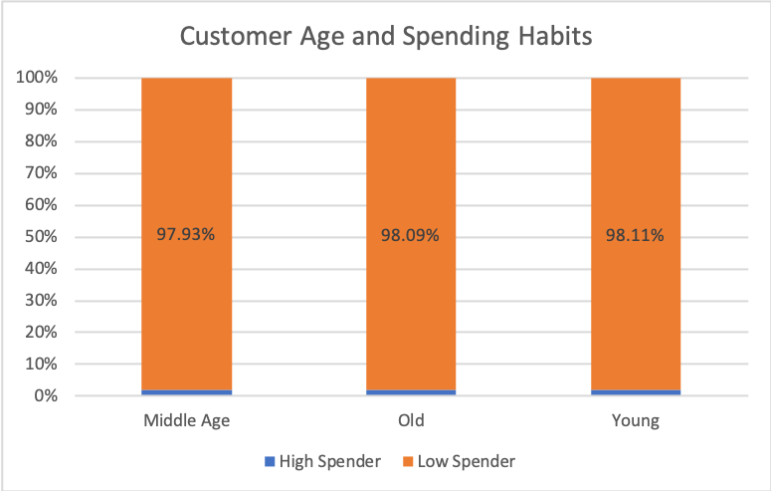

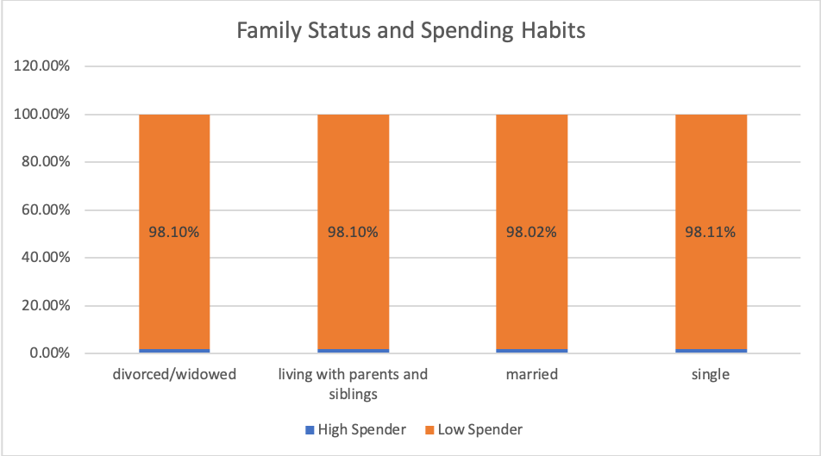
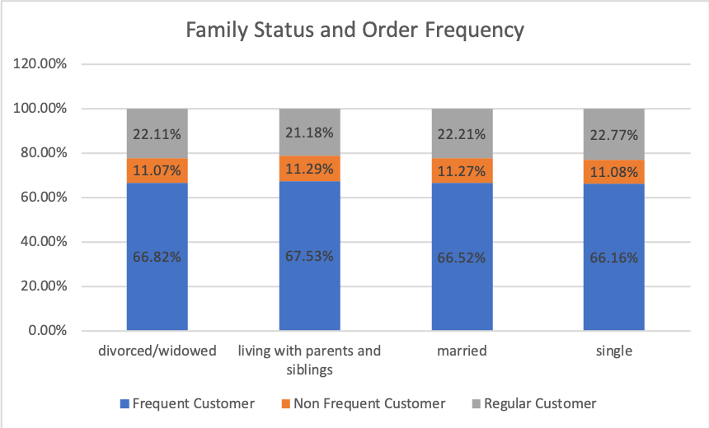

Key Question 6: What different classifications does the demographic information suggest? Age?
Income? Certain types of goods? Family status?
Analysis: The top 4 profiles of the customer base are Old Moderate Earning Parents, Middle Age Morderate Earning Parents, Old High Earning Parents, and Young Moderate Earning Parents. The commonalities here are that the top customers are parents, they are not low earning or very high earning, and they skew slightly older than not.

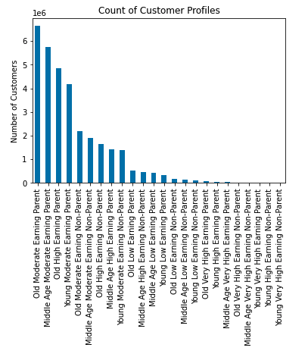

Key Question 7 : What differences can you find in ordering habits of different customer profiles?
Consider the price of orders, the frequency of orders, the products customers are
ordering, and anything else you can think of.
Analysis: Ran crosses of the top customer profiles with region, department, order profile, spending flag, and frequency flag. The top customer profiles do not show any derivations in these categories from the statistics as a whole.

7. Recommendations
 |  | Title page

Recommendations

Question | Answer
Key Question 1 | The highest number of orders come in during Saturday and Sundays and between the hours of 9 AM and 4 PM. To advertise during slower times we would recommend putting adds from Monday - Thursday, the slowest days.
Key Question 2 | The most expensive orders come in at roughly 4 and 5 AM however there is a very little variance between the prices at this time and any other given time. Additionally given the small amount of orders being placed at this time we would not recommend additional advertising during this time frame.
Key Question 3 | Most orders consist of mid-range products. Almost all products sold are under 15 dollars. Very few high-range price products are sold. Adding more mid-tier products could be beneficial as well as advertising the existing mid-tier products.
Key Question 4 | The vast majority of products sold are from the household and dairy/egg categories followed by snacks, beverages, frozen, and pantry. Very little sales are being generated from bulk, pet, and alcohol. We would recommend focusing advertising and product offering in the high performing categories and looking at limiting offerings in the lower performing categories or authorizing further analysis to determine why these categories may be performing poorly.
Key Question 5 | Analysis was completed to see how order price and order frequency are effected by a customers loyalty status, region, family status and age. The only link found was between that of loyalty and frequency. Loyal customers (i.e. customers with more lifetime orders) place orders much more frequently than other customers. We would recommend focusing advertising on getting customers to place multiple orders with Instacart. If we can turn new customers in to recurring (loyal) customers then their liklihood of continuing to order and order frequently is increased.
Key Question 6 | The top 4 profiles of the customer base are Old Moderate Earning Parents, Middle Age Morderate Earning Parents, Old High Earning Parents, and Young Moderate Earning Parents. The commonalities here are that the top customers are parents, they are not low earning or very high earning, and they skew slightly older than not. We recommend targeting customers that fit these profiles for new customer acquistion.
Key Question 7 | Analysis was completed on the top 9 customer profiles to see if a customer being in one of these categories tells us anything about their region, department they order from, order pfofie, spending habits, or order frequency. No signifigant links were found.

